Sheet2
Normal Probability Plot
SUMMARY OUTPUT

Regression Statistics
Multiple R | 0.092512274045
R Square | 0.008558520849
Adjusted R Square | -0.11537166404
Standard Error | 1.5978378325
Observations | 10

2.5 | 6.5
4.8 | 5.8
3.9 | 8.9
5.2 | 6.2
4.2 | 5.2
3.8 | 8
4.5 | 7.5
3.5 | 9.5
5.8 | 8.8
2.9 | 5.9
ANOVA
 | df | SS | MS | F | Significance F
Regression | 1 | 0.17631408801 | 0.17631408801 | 0.069059211493 | 0.79935251767
Residual | 8 | 20.424685912 | 2.553085739
Total | 9 | 20.601

 | Coefficients | Standard Error | t Stat | P-value | Lower 95% | Upper 95% | Lower 95.0% | Upper 95.0%
Intercept | 6.6625364904 | 2.2176989975 | 3.0042564379 | 0.016961307161 | 1.5485134317 | 11.776559549 | 1.5485134317 | 11.776559549
X Variable 1 | 0.13806898043 | 0.52539424354 | 0.26279119371 | 0.79935251767 | -1.0734923178 | 1.3496302787 | -1.0734923178 | 1.3496302787

PROBABILITY OUTPUT

Percentile | Y
5 | 5.2
15 | 5.8
25 | 5.9
35 | 6.2
45 | 6.5
55 | 7.5
65 | 8
75 | 8.8
85 | 8.9
95 | 9.5

Sheet1
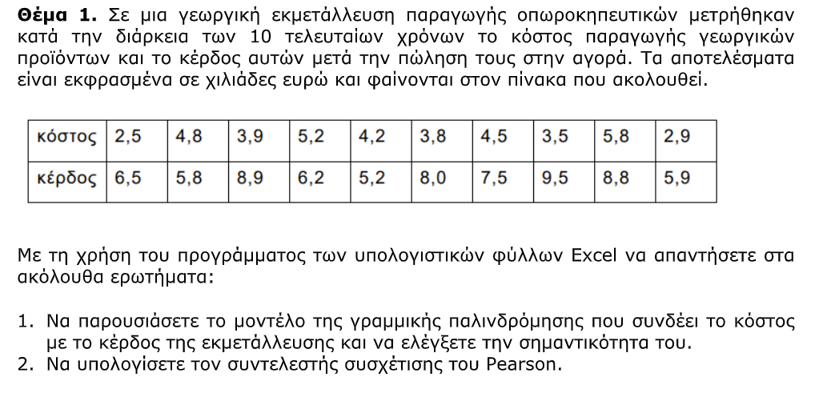
ΚΟΣΤΟΣ | ΚΕΡΔΟΣ | Pearson
2.5 | 6.5 | 0.09 | 0.09
4.8 | 5.8 | no linear correclation
3.9 | 8.9 | A value of 0 denotes no linear correlation
5.2 | 6.2
4.2 | 5.2
3.8 | 8
4.5 | 7.5
3.5 | 9.5
5.8 | 8.8
2.9 | 5.9

